Current State
Value Stream
Mapping Icons
CURRENT STATE
FOR THE TIMELINE PLEASE USE DIRECTLY THE EXCEL CELLS

MATERIAL
FLOW ICONS
INFORMATION
FLOW ICONS
INFORMATION
FLOW ICONS

XYZ
Corp.
Manual Info Flow
 |  |  |  |  |  |  |  |  |  | Production Planning
 |  |  |  |  |  |  | order every month |  |  |  |  |  |  |  |  |  | daily orders

Supplier
Outside Sources
Electronic Info Flow
Weekly Schedule
Press
C/T=
C/O=
A=
Shifts
Schedule
 |  |  |  |  |  |  | monthly forcast
 |  |  |  |  |  |  |  |  |  |  |  |  |  |  |  |  |  |  |  |  |  |  | Customer
 |  |  |  |  |  |  |  |  | inform about level of raw material (Daily) |  |  |  |  |  |  |  |  |  |  |  |  |  | D daily = | 80
 |  |  |  |  |  |  |  |  |  |  |  |  |  |  |  |  |  |  |  |  |  |  | 400 u/w
 |  |  |  |  |  |  |  |  |  |  |  |  |  |  |  |  |  |  |  |  |  |  | ta = for each stage is written |  | 7.5*60 per shift | 450 | min
Heijunka Box

Kanban
 |  |  |  |  |  |  |  | weekly planning
 |  | weekly delivery

Data Box
3300 units
 |  |  |  |  |  |  |  |  |  |  |  |  |  |  |  |  |  |  |  |  |  |  |  | 2 shippment per day
Inventory Box
Pre-Shop-Pull

2X per
Week
 |  |  |  |  |  |  |  |  |  |  |  |  |  |  |  |  |  |  |  |  |  | daily delivery shedule

Kaizen
Truck Shipment
F I F O
Operator
 |  |  | Washing |  |  |  |  |  |  |  | •Colouring |  |  |  | Stitching |  |  |  | • Ironing
 |  |  | # of opt | 1 |  |  |  |  |  |  |  |  |  |  |  |  |  |  |  |  |  |  | stage
 |  |  |  |  |  |  |  |  |  |  |  | 2 |  |  |  | 1 |  |  |  | 1 |  |  | Shipping
First-In-First-Out
Sequence Flow
 | 8000 |  | CT= |  |  | 500 |  |  |  |  | CT= |  |  | 1200 | CT= |  |  | 350 | CT= |  |  | 3000
 |  |  | min | 5 |  |  |  |  |  |  | min | 3 |  |  | min | 3 |  |  | min | 5
PUSH Arrow
Physical Pull
 |  |  | C/O= |  |  |  |  |  |  |  | C/O= |  |  |  | C/O= |  |  |  | C/O=
 |  |  | min | 10 |  |  |  |  |  |  | min | 15 |  |  | min | 10 |  |  | min | 15
 |  |  | A.= |  |  |  |  |  |  |  | A.= |  |  |  | A.= |  |  |  | A.=
 |  |  |  | 100% |  |  |  |  |  |  |  | 0.95 |  |  |  | 0.9 |  |  |  | 1
 |  |  | Ded.= |  |  |  |  |  |  |  | Ded.= |  |  |  | Ded.= |  |  |  | Ded.=
 |  |  |  | 100% |  |  |  |  |  |  |  | 1 |  |  |  | 1 |  |  |  | 1
Finished Goods
to Customer
 |  |  | shifts= |  |  |  |  |  |  |  | shifts= |  |  |  | shifts= |  |  |  | shifts=
 |  |  |  | 1 |  |  |  |  |  |  |  | 2 |  |  |  | 2 |  |  |  | 2
 |  |  | Ta = |  |  |  |  |  |  |  | Ta = |  |  |  | Ta = |  |  |  | Ta =
 |  |  | min | 450 |  |  |  |  |  |  | min | 900 |  |  | min | 900 |  |  | min | 900

 |  |  | Button cutting

 |  |  |  | 1
 |  |  | CT= 3 sec/but * 13 button
 |  |  | min | 0.65
 | 16000 | button | C/O= |  |  | 12000 | button
 | 1230.7692308 | shirt | min | 20 |  | 923.07692308 | shirt
 |  |  | A.=
 |  |  |  | 75%
 |  |  | Ded.=
 |  |  |  | 1
 |  |  | shifts=
 |  |  |  | 3
 |  |  | Ta =
 |  |  | min | 1350
 |  |  | daily demand |  |  |  |  |  |  |  |  |  |  |  |  |  |  |  |  |  |  |  |  |  |  | TOTAL
 |  |  | shirts | 100

1200 units
TIMELINE | 100 |  |  |  | 6.25 |  |  |  |  |  |  |  | 15 |  |  |  | 4.375 |  |  |  | 37.5 |  |  |  | TROUGHPUT-TIME | 163.125 | day
 |  |  | 5 |  |  |  |  |  |  |  | 6 |  |  |  | 3 |  |  |  | 5 |  |  |  |  |  | VA TIME | 19.0 | min

Supermarket

Direct shipping
path wash | 100 | 5 | 6.25 |  | 106.25 | Longer one
path cutt | 12.307692308 | 0.65 | 9.2307692308 |  | 21.538461538

 | scrap for button cutting = 20%
 | daily demand button cutting = |  |  | 100 | Shirts | 13000 | button daily

Future State
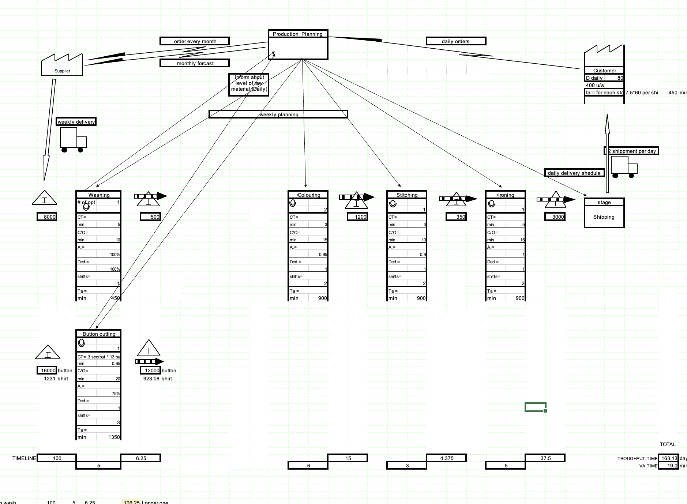
Value Stream
Mapping Icons
FUTURE STATE
 |  |  |  |  | FOR THE TIMELINE PLEASE USE DIRECTLY THE EXCEL CELLS
Q1: Which is Takt Time?
Stages | Formula | Value | Notes
MATERIAL
FLOW ICONS
INFORMATION
FLOW ICONS
INFORMATION
FLOW ICONS
Wash (1 shift) | = Ta / daily demand | 5.625 | min
Button Cut (3 shift) | = Ta / daily demand | 13.5 | min
Other (2 shift) | = Ta / daily demand | 11.25 | min

XYZ
Corp.
Supplier
Manual Info Flow
 |  |  |  |  |  |  |  |  |  |  | Production Planning
 |  |  |  |  |  |  |  | montly forcast
Q2: Direct shipping or Finished good warehouse |  |  |  |  |  |  |  | weekly order is possible now |  |  |  |  |  |  |  |  | Daily order
Choice | Make to stock (Super market)
Outside Sources
Electronic Info Flow
Drivers | Everyday all the variants are requested by the customers, who are not willing to wait for the products. |  |  |  |  |  |  |  |  |  |  |  |  |  |  |  |  |  |  |  | Customer
 |  |  |  |  |  |  |  |  |  |  |  |  |  |  |  |  |  |  |  |  | D=
Weekly Schedule
 | The products are standardized and
Press
C/T= min
C/O= min
A= 90%
2 Shifts
Schedule
 | do not occupy a lot of storage space. |  |  |  |  |  |  |  |  |  |  |  |  |  |  |  |  |  |  |  | Ta=
 |  |  |  |  |  |  |  |  |  |  |  |  |  |  | Pace Maer

Heijunka Box
Q3: Where to put Continuous flow?
 | EPE target = 1
CONTINUOUS FLOW 1 |  |  |  |  | weekly delivery
Kanban
Stages to be coupled | Cell 1 => Ironing +Stitching + Colouring
Data Box
Variables | Formula | Value | Notes |  |  |  |  |  |  |  |  |  |  |  |  |  |  |  |  |  |  | dialy shippment
N ope | = [work content time]/takt time | 2 | (6+3+5) / 11.25 => round up = 2
CT | (5 + 2 ) ( 3 + 3 + 1) | 7 | 5 and 3 are with maching but coloring is manual so can be balanced on each two
Inventory Box
Pre-Shop-Pull
CO | max CO | 15 |  |  |  |  |  | Washing |  |  |  |  |  |  |  | Cell 1 => Ironing +Stitching + Colouring
A | product of all availability | 0.855 |  |  |  |  |  | # of opt | 1 |  |  |  |  |  |  |  |  |  |  |  | stage
2X per
Week
# shifts | no change | 2 |  |  |  | A |  |  |  |  |  |  |  |  |  |  | 2 |  |  |  | Shipping
 |  |  |  |  |  | 800 | shirts | CT= |  |  |  |  |  |  |  | CT=
Kaizen
DECAF CONDITION |  |  |  |  |  |  |  | min | 5 |  |  |  |  |  |  |  | 7
Dedicated? | yes |  |  |  |  |  |  | C/O= |  |  |  |  |  |  |  | C/O=
Truck Shipment
Capable? | ct < tt | 7 < 11.25 |  |  |  |  |  | min | 10 |  |  |  |  |  |  |  | 1.23
F I F O
Operator
Available? | C/t/1 < tt | 8.18 < 11.25 |  |  |  |  |  | A.= |  |  |  |  |  |  |  | A.=
First-In-First-Out
Sequence Flow
Flexible? |  |  |  |  |  |  |  |  | 100% |  |  |  |  |  |  |  | 85.50% |  | E = | 160 | shirts
 | EPE t = 1 |  |  |  |  |  |  | Ded.= |  |  |  | C= | 120 | shirts |  | Ded.=
 | Actuall EPE = | 12.2 | it's not possible therefore we need new set up time |  |  |  |  |  | 100% |  |  |  |  |  |  |  | 1
 | EPE*tp + Tsu =< EPE*Ta |  |  |  |  |  |  | shifts= |  |  |  |  |  |  |  | shifts=
 | Tp = CT * D / A | 654.97 |  |  |  |  |  |  | 1 |  |  |  |  |  |  |  | 2
 | Tset = #of setup * CO | 3000
 | Ta = | 900

PUSH Arrow
Physical Pull
 | New Set up time => |  |  |  |  | B |  | Button cutting
 | 1 * 654.97 + X*200 =< 1*900 |  |  |  |  | 1000 | shirts
 | X =< (900-654)/200 |  |  |  |  | 13000 | button |  | 1
Finished Goods
to Customer
 |  |  |  |  |  |  |  | CT= 3 sec/but * 13 button
 | SMED needed, in order to create this cell |  |  |  |  |  |  | min | 0.65
New CO | 1.23 | Min |  |  |  |  |  | C/O=
 |  |  |  |  |  |  |  | min | 20
Supermarket
CONTINUOUS FLOW 2 |  |  |  |  |  |  |  | A.=
Stages to be coupled | Washing |  |  |  |  |  |  |  | 75%
 |  |  |  |  |  |  |  | Ded.= |  |  | D = | 120 Shirts
Direct shipping
Variables | Formula | Value | Notes |  |  |  |  |  | 1 |  |  | 1560 | button
N ope |  | 1 |  |  |  |  |  | shifts=
CT |  | 5 |  |  |  |  |  |  | 3
CO |  | 10
A |  | 100
# shifts |  | 1
 |  |  |  |  |  |  |  |  |  |  |  |  |  |  |  |  |  |  |  |  |  |  | TOTAL
DECAF CONDITION |  |  |  | TIMELINE |  |  | 10 |  |  | 1.5 |  |  |  |  |  |  |  | 2 |  |  |  | TROUGHPUT-TIME | 13.5
Dedicated? |  |  |  |  |  |  |  | 5 |  |  |  |  |  |  |  | 7 |  |  |  |  |  | VA TIME | 12
Capable?
Available?
Flexible? | EPE target = 1
 | EPE t = 1 |  |  |  | 10 |  | 5 | 1.5
 | Actuall EPE = | 0.1 | it's working corresponding to target EPE |  | 10 |  | 0.65 | 1.5
 | EPE*tp + Tsu =< EPE*Ta
 | Tp = CT * D / A | 4.00
 | Tset = #of setup * CO | 50
 | Ta = | 450

CONTINUOUS FLOW 3
Stages to be coupled | Button Cutting

Variables | Formula | Value | Notes
N ope |  | 1
CT |  | 0.65
CO |  | 20
A |  | 0.75
# shifts |  | 3

DECAF CONDITION
Dedicated?
Capable?
Available?
Flexible? | EPE target = 1
 | EPE t = 1
 | Actuall EPE = | 0.2 | it's working corresponding to target EPE
 | EPE*tp + Tsu =< EPE*Ta
 | Tp = CT * D / A | 86.67
 | Tset = #of setup * CO | 240
 | Ta = | 1350

Notes (optional)

Please, if you need more than 2 Cell, copy and paste the format

Q4: Where to put Supermarket/FIFO?
Name supermarkets/fifo in the drawing of Future state and size them hereafter.

Name Supermarkets/Fifo | Formula | Value | Notes
Raw Material of washing - A | = 2 * Ld supplier * demand | 800 | shirts
Raw Material of button - B | = 2 * Ld supplier * demand | 1000 | shirts
C - Supermarket | = 1.5 * EPE * demand | 120 | shirts
D | = 1.5 * EPE * demand | 120 | shirts = 13*120 button
E | =2*EPE*demand | 160 | shirts

Q5: Where to schedule the production?
Which stage | the Cell is the pace maker , we use heijunka to level demand here
Please, answer directly on the Future state map
Q6: How to level the production?
Which tool
Please, answer directly on the Future state map

